Instructions
CAPM and Multifactor Models

 |  | First Name
 |  | Last Name
 |  | ETF Name
 |  | ETF Ticker

Instructions
Run regressions to compute betas and alphas for an ETF using the (1) Single Index Model/CAPM and (2) Fama-French 3 Factor Model, then interpret the results. This file has this "Instructions" page plus four additional worksheets. Instructions on how to complete each page are below. The "Resources" listed at the bottom of this page will help you complete this assignment.

1. Single Index or CAPM Worksheet
Column (1) | Enter your ETF's ticker on Yahoo! Finance, navigate to the historical data tab, and use the drop down menus to and download monthly Historical Prices data from 02/01/2019 to 01/01/2024 (about 5 years of monthly data). Paste the adjusted monthly close prices given in the downloaded file into this column for the corresponding dates in the "Date" column.

Column (2) | Use a formula to fill out this column, referencing the 4. Data tab. Make sure your dates align with the "Month" column above.

Column (3) | Calculate the stock's excess return in each month using a formula. Begin by calculating the percent change in the Adjusted Closing Price from one month to the next. Then subtract out the risk-free rate from this percent change formula to fill out Column (3). Notice that the excess return for the first period won't have an answer since you can't calculate it without the previous period's adjusted close.

Column (4) | Use a formula to fill out the MktRF column from the 4. Data worksheet in this Excel File. This is the market excess return, or the market return minus the risk-free rate.

Regression | Run a regression of the ETF's excess return on the market's excess return to obtain estimates for the stock's beta and alpha. Select the regression output to be in cell H7. A sample regression output is provided below. The regression should be from 3/1/2019 to 1/1/2024 since you don't have return data for 2/1/2019.

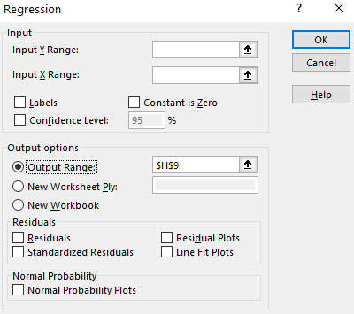
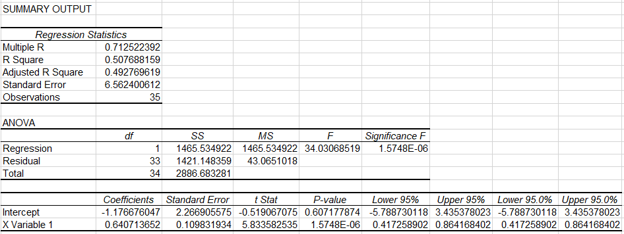

Graphs | Provide a scatter plot of the excess return of the ETF (y-axis) and the excess return of the market (x-axis). Select the Excel options to (1) display the equation of the security characteristic line on the graph and (2) show the R-squared and line's equation on the chart.

2. Fama French Model Worksheet
Column (1) - (4) | Formulas will automatically fill these columns based on what you have on the 1.Single Index or CAPM worksheet.

Column (5) and (6) | Use a formula to fill out the SMB and HML factors from the 4. Data tab.

Regression | Run a regression of the ETF's excess return on the market's excess return, the SMB, and the HML factors. Select the regression output to be in cell J9.

Graphs | No graphs are needed for the Fama-French model.

3. Interpretations Worksheet
On the interpretations tab, type in or use a formula references to complete the table of betas, alphas, t-stats, and R-squared estimates from your CAPM and Fama-French regressions. Two decimal places is enough for the table. Then answer the 5 questions that follow.

Resources
These resources should help you complete these tasks. Your betas and alphas should be near those you find on Yahoo! Finance or from the Colab file (#8) below. Your betas and alphas may not be exactly the same because our data ends 3-5 months sooner than the online sources do. For example, if you calculate a beta of 1.31 and the beta online is 1.29, you're likely close enough. If you calculate a beta of 1.31 and the beta online is 0.67 you're probably too far off.

1 | https://www.youtube.com/watch?v=ucKK528ApCw&ab_channel=JonathanKalodimos%2CPhD
2 | https://www.statisticshowto.com/probability-and-statistics/excel-statistics/excel-regression-analysis-output-explained/
3 | https://www.ablebits.com/office-addins-blog/2018/08/01/linear-regression-analysis-excel/
4 | https://statisticsbyjim.com/regression/regression-analysis-excel/
5 | https://corporatefinanceinstitute.com/resources/knowledge/finance/alpha/
6 | https://www.investopedia.com/ask/answers/070615/what-formula-calculating-beta.asp
7 | https://www.josephfarizo.com/files/FIN366Investments/IndexModel.xlsx
8 | https://colab.research.google.com/drive/1iEuOQeDqpzIJ_FJTxIRQKREPNP6gPxfY?usp=sharing

Grading Rubric

Points | Item
2 | File named correctly when uploaded.
2 | Correct computation of ETF excess return.
3 | Ran correct regression for the single index model/CAPM.
3 | Ran correct regression for the Fama French model.
4 | Correctly created scatterplot.
4 | Used Excel options to display equation, line, and R-squared on chart.
2 | Correctly completed table on interpretations tab.
6 | Question 1
6 | Question 2
6 | Question 3
6 | Question 4
6 | Question 5
(0) | (Deductions for misformatting, incompleteness, sloppiness, etc., 1 to 5 points)
50 | Total

